Transactions
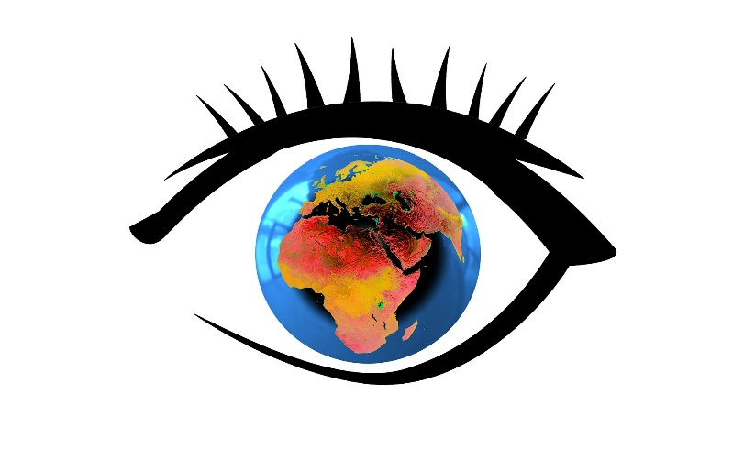
ID | Amount | Category | Level
CC-5M0749 | 84.14
CC-XPM4JE | 28.3
CC-92FM5M | 166.58
CC-92FM5M | 92.52
CC-H2VUKI | 736.66
CC-JZOK3E | 432.79
CC-BC9XMS | 607.23
CC-XPM4JE | 17.66
CC-92FM5M | 229.88
CC-CT3TK2 | 86.55
CC-4PQHBD | 294.93
CC-CT3TK2 | 1344.12
CC-GWY58G | -291.2
CC-5M0749 | 31.31
CC-GWY58G | 215.66
CC-CT3TK2 | 22.8
CC-CT3TK2 | 308.91
CC-92FM5M | 347.16
CC-VB21WQ | 110.55
CC-GWY58G | -179.71
CC-5M0749 | 526.41
CC-1CPDMC | 496.17
CC-CT3TK2 | 527.83
CC-5M0749 | 134.37
CC-XPM4JE | 103.35
CC-5M0749 | 297.09
CC-CT3TK2 | 4.06
CC-2QQV34 | -15
CC-92FM5M | 117.17
CC-IFSHID | 91
CC-VB21WQ | 50.1
CC-CT3TK2 | 230.14
CC-CT3TK2 | 132.24
CC-GWY58G | 251.98
CC-92FM5M | 122.53
CC-XPM4JE | 886.41
CC-92FM5M | 156.9
CC-92FM5M | 439.52
CC-5M0749 | 229.69
CC-XPM4JE | 498.4
CC-92FM5M | 238.97
CC-92FM5M | 539.21
CC-T11AF7 | 817.29
CC-XPM4JE | 288.18
CC-GWY58G | 547.12
CC-H2VUKI | 695.68
CC-92FM5M | 869.16
CC-VB21WQ | 41.5
CC-I9HM73 | -333.14
CC-H2VUKI | 219.58
CC-XPM4JE | 383.38
CC-CT3TK2 | 220.17
CC-CT3TK2 | 227.43
CC-GWY58G | 714.44
CC-4PQHBD | 275.77
CC-H2VUKI | 585.12
CC-4PQHBD | 54.25
CC-TWIE7D | 450.9

